1. Title Page
[Instacart Basket Analysis]

Project Name: Instacart Grocery Basket Data Analysis
Date: September 28th, 2022
Analyst Name: Wesley Mompoint

Contents:
Population Flow
Consistency checks
Wrangling steps
Column derivations
Visualizations
Recommendations

2. Population Flow
 | Title page

Population flow

Orders_products_merged_updated
Orders_products_merged_updated2
df_merged_final

Total: 32,404,616
Total: 32,404,616
Total:
32,404,616 rows

3. Consistency checks
 |  |  |  | Title page
Consistency checks

Dataset | Missing values | Missing values treatment | Duplicates
orders | n/a | n/a | n/a
products | 16 product name | removed | n/a
orders_products_prior | n/a | n/a | n/a
customers | first name | n/a | n/a

4. Wrangling steps
 |  |  |  | Title page
Wrangling steps

Columns dropped | Columns renamed | Columns' type changed | Comment/Reason
eval_set |  |  | not needed
 | Order_dow > orders_day_of_week |  | easier to understand
 |  | order_id | integer to string
 |  | user_id | integer to string
 | First Name > first_name | first_name | object to string
 | Last Name . Last_name
 | n_dependents > no_of_dependents
 | State > state
 | Gender > gender
 | fam_status > marital_status

df_merged_final | first_name, last_name |  | PII

5. Column derivations
 |  |  |  | Title page

Column derivations and aggregations

Dataset | New column | Column/s it was derived from | Conditions
orders_products_merged | price_range | prices
orders_products_merged | busiest_days | order_day_of_week
orders_products_merged | busiest_period_of_day | order_hour_of_day
orders_products_merged_updated2 | loyalty_flag | max_order | if spent > 40 = loyal customer

6. Visualizations
 |  | Title page

Visualisations
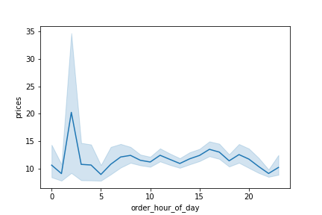

In this tab you should include all the visualtions from Exercises 4.9 and 4.10, alongside the questions from the project brief that they answer. Include any commentary on the relationship between different variables.
 |  |  |  | Is there a connection between age and spending power?

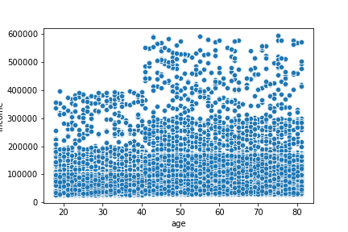

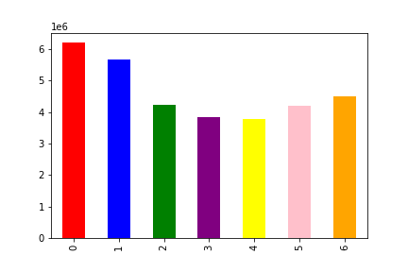

 |  |  |  | There is a large majority of customers from all ages who make over $200,000 and over the age of 40 includes customers making from $300,000 - $600,000

The frequency of purchases throughout a 24 hour day

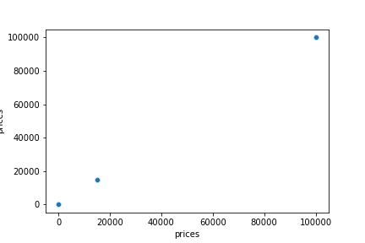

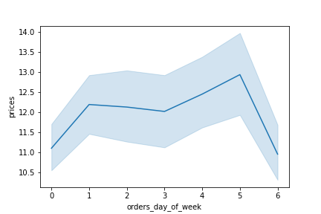
 |  |  | The marketing team is curious about the distribution of orders among customers in terms of loyalty.
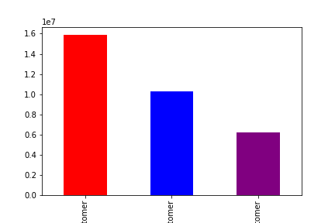

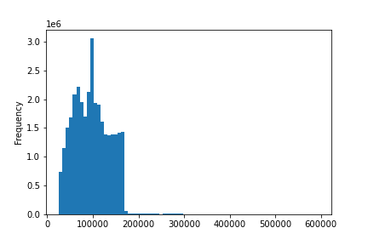

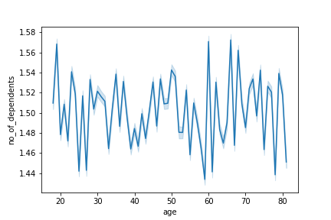
 | determine whether there’s a connection between age and family situation by creating a line chart exploring the connections between age and number of dependents
 |  |  | Regular customer(Red), Loyal customer(blue), New Customer(purple)

 | This chart shows that the number of dependents on average seems to be higher over the age of 30 due to a lot of people becoming parents at that age

7. Recommendations
 |  |  | Title page

Recommendations

The busiest times of day and week are typically Friday's between 10am - 1pm

According to the line chart, the most money spent is in the early parts of the morning around 1-2am | Conclusion: | Targeting ads for early and middle of the week during the evenings will generate the most attention.

 |  | Also making the southern region the focus of any futue campaigns will generate revenue due to the sheer amount of customers there.

The south is the region where the most customers are stationed. So naturally that region garners the highest revenue. |  | Lastly, targeting customers over the age of 50 with ads can generate more money for the company due to the fact that, on average, they are making 1.5x - 2x the yearly income of the younger customers.

The most loyal customers are not the biggest spenders surprisingly, it is the regular customers that spend larger amounts of money

In regards to the order habits, Simalr to money spent, the number of total orders has the regular customers on top, while the loyal customers make less orders overall

